7. Exp. design builder
Pradyumna Urkude |  |  | RESEARCH METHODS
MBA-GTM-13/14 |  | 27.01.26

Assignment: | Use the experimental design builder to create product profiles for a conjoint analysis using the attributes and levels defined by you. Paste your suggested design here.

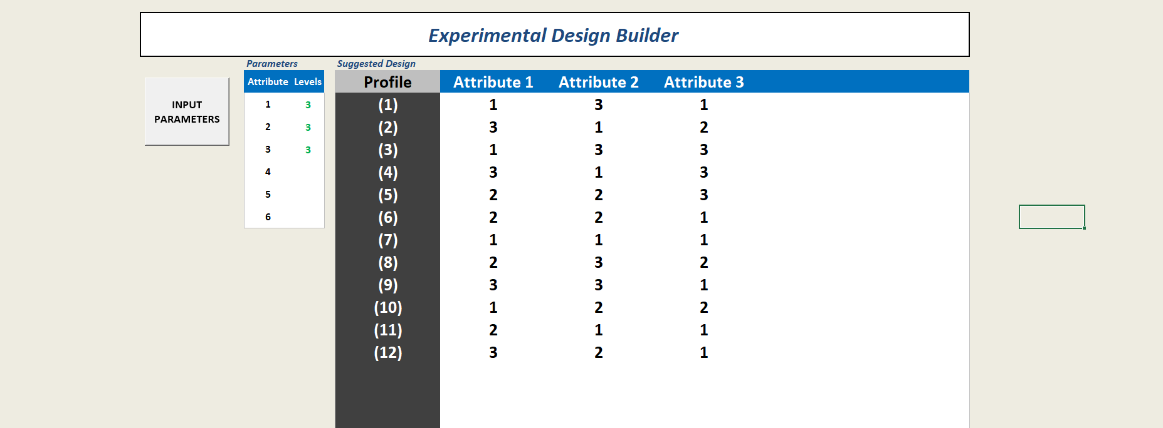
Paste your work here:

14. charts
Pradyumna Urkude |  |  | RESEARCH METHODS
MBA-GTM-13/14 |  | 27.01.26

Assignment: | Create charts for average pathworths and attribute importance in accordance with Harvard Business School standards.
Pricing of Application
Speed of Application
Create charts here:
 | Partworths
 | Intersepect |  | 3.71 | Ideal profile
 | Pricing of Application | $20 | -0.28 | $20
 |  | $60 | 0
 |  | $40 | -0.22

 | Speed of Application | 4 sec | -0.02 | 2 sec
 |  | 2 sec | 0
 |  | 6 sec | -0.02

 | Accuracy | Basic | 0.17 | Very High
 |  | High | 0
 |  | Very High | -0.05

